Sheet1
 |  | Document No. |  | Issue No. | Issue Date |  |  | Review and Replace Date |  |  | Authorised By
 |  | GFF383MC |  | 1 | 27.03.2023 |  |  | New Issue |  |  | Magda Shah
 |  | Document Title |  | CASHEW AND CHICKPEA KORMA WITH BLACK RICE 400G
Document amendments reason for change |  | New tray, new recipes |  |  |  | Previous Issue Date |  |  |  | New Issue | Uncontrolled copy unless signed original

FVKRCR2-R8TMC | MINDFUL CHEF |  |  | CASHEW AND CHICKPEA KORMA WITH BLACK RICE 400G | FROZEN
STEP 1 |  |  |  |  |  |  | STEP 2
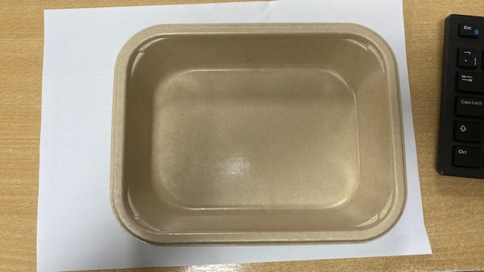

NEW RECIPES

PACK+ 1 YEAR
NON-MAP PACK

Tray: Flat Tray-PET Fresh Fibre Food Tray (200 x 155 x 39)-PKHUH001-01 |  |  |  |  |  |  | Black Rice NEW (MC) (GFF438R): 100g
Film: K peel 7G+25A/f-275mm-(PKKMP001-03)
STEP 3 |  |  | STEP 4 |  |  |  |  |  | STEP 5
 |  |  | 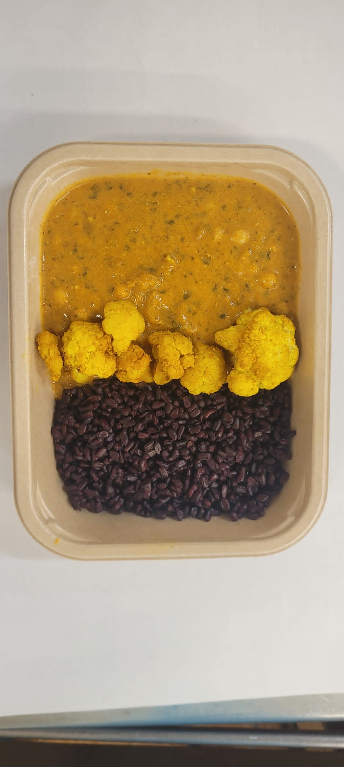 |  |  |  |  |  | 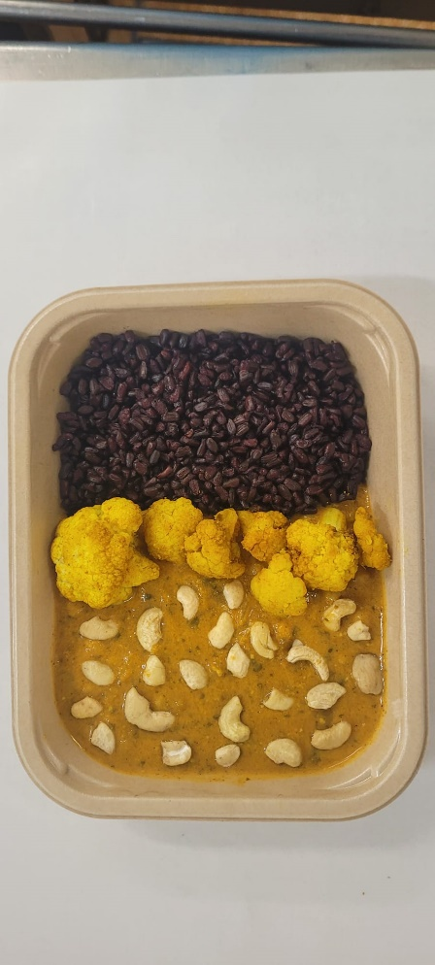

Chickpea Korma Sauce NEW (MC) (GFF439R) 250g |  |  | Roasted Cauliflower (MC) (GFF279R) 45g |  |  |  |  |  | Cashew Nuts (RMP&B001-05) : 5g |  |  | Total Weight: 400g

ALLERGY ALERT: NUTS

